SPATIAL ABILITY
 | SPATIAL ABILITY
 | Direction: The Shapes in Group 1and Group 2 are identical, although some of them may be rotated. Which shape in Group 2 corresponds to the shape (1 to 20) in Group 1?
 | Time: 15 Min
Question No |  | Option 1 | Option 2 | Option 3 | Option 4 |  | Answer
1 | In the following figures, one of the shapes (A-D) is identical to the first figure but has been rotated? Which figure is identical to the first? | Fig A | Fig B | Fig C | Fig D |  | B
2 | Which figure is identical to the first? | Fig A | Fig B | Fig C | Fig D |  | A
3 | Which figure is identical to the first? | Fig A | Fig B | Fig C | Fig D |  | C
4 | Which of the Answer Figures is a rotation of the Question Figure? | Fig A | Fig B | Fig C | Fig D | 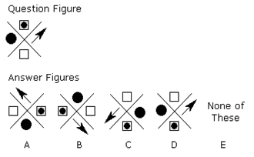 | C
5 | Which two pictures are identical? | AB | BD | CE | DE |  | C
6 | Which of the patterns when folded will make the cube shown? | Fig A | Fig B | Fig C | Fig D | 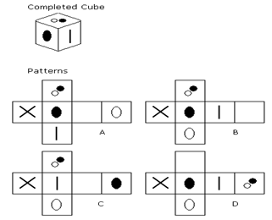 | D
7 | Which of the Figures(A-D) is a rotation of the Question Figure? | Fig A | Fig B | Fig C | Fig D |  | B
8 | Which of the Figures(A-D) is a rotation of the Question Figure? | Fig A | Fig B | Fig C | Fig D |  | C
9 | Which figure is odd one out? | Fig A | Fig B | Fig C | Fig D |  | A
10 | Which figure is odd one out? | Fig A | Fig B | Fig C | Fig D |  | C

 | Direction: From Question (11 – 20). The Shapes given in the question correspond to a figure as given in the group 2 Figures are identical, although some of them may be rotated. Which shape in Group 2 corresponds to the shape in the question . Write that letter in the answer
11 |  |  |  |  |  | 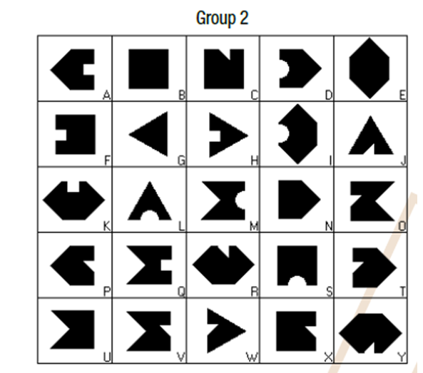 | N
12 |  |  |  |  |  |  | Q
13 |  |  |  |  |  |  | T
14 |  |  |  |  |  |  | F
15 |  |  |  |  |  |  | X
16 |  |  |  |  |  |  | H
17 |  |  |  |  |  |  | P
18 |  |  |  |  |  |  | D
19 |  |  |  |  |  |  | A
20 |  |  |  |  |  |  | S

DATA INTERPRETATION
 | DATA INTERPRETATION ABILITY
 | Direction: Study the following table and answer the questions based on it.
 | Time: 15Min
Question No |  | Option 1 | Option 2 | Option 3 | Option 4 | Figures / Graph | Answer
 | A. Expenditures of a Company (in Lakh Rupees) per Annum Over the given Years. |  |  |  |  | 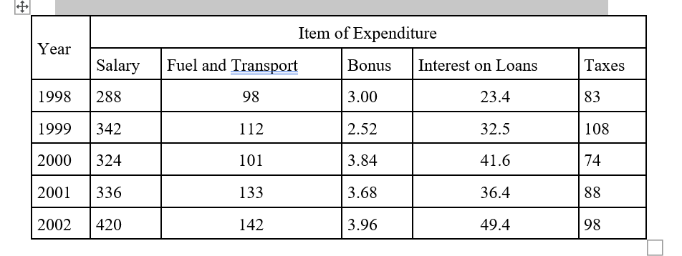
1 | The ratio between the total expenditure on Taxes for all the years and the total expenditure on Fuel and Transport for all the years respectively is approximately? | 4:7 | 10:13 | 15:18 | 5:8 |  | B
2 | The total expenditure of the company over these items during the year 2000 is? | Rs. 544.44 lakhs | Rs. 501.11 lakhs | Rs. 446.46 lakhs | Rs. 478.87 lakhs |  | A
3 | What is the average amount of interest per year which the company had to pay during this period? | Rs. 32.43 lakhs | Rs. 33.72 lakhs | Rs. 34.18 lakhs | Rs. 36.66 lakhs |  | D
4 | Total expenditure on all these items in 1998 was approximately what percent of the total expenditure in 2002? | 62% | 66% | 69% | 71% |  | C
5 | The total amount of bonus paid by the company during the given period is approximately what percent of the total amount of salary paid during this period? | 0.1% | 0.5% | 1% | 1.25% | 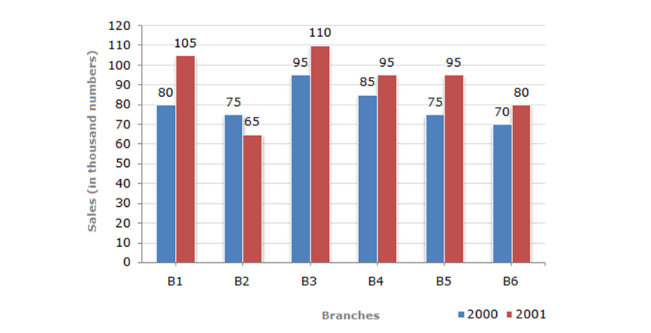 | C
6 | Total sales of branches B1, B3 and B5 together for both the years (in thousand numbers) is? | 250 | 310 | 435 | 560 |  | D
7 | Total sales of branch B6 for both the years is what percent of the total sales of branches B3 for both the years? | 68.54% | 71.11% | 73.17% | 75.55% |  | C
8 | What is the average sales of all the branches (in thousand numbers) for the year 2000? | 73 | 80 | 83 | 88 |  | B
9 | What is the ratio of the total sales of branch B2 for both years to the total sales of branch B4 for both years? | 2:03:00 | 3:05:00 | 4:05:00 | 7:9 |  | B
10 | What percent of the average sales of branches B1, B2 and B3 in 2001 is the average sales of branches B1, B3 and B6 in 2000? | 75% | 77.5% | 82.50% | 87.5% |  | D
11 | What is the central angle of the sector corresponding to the expenditure incurred on Royalty? | 15º | 24º | 54º | 48º | 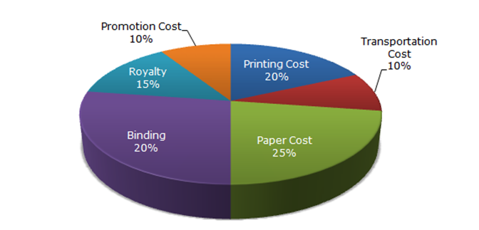 | C
12 | Which two expenditures together have central angle of 108º? | Biding Cost and Transportation Cost | Printing Cost and Paper Cost | Royalty and Promotion Cost | Binding Cost and Paper Cost |  | A
13 | If the difference between the two expenditures are represented by 18º in the pie-chart, then these expenditures possibly are: | Binding Cost and Promotion Cost | Paper Cost and Royalty | Binding Cost and Printing Cost | Paper Cost and Printing Cost |  | D
14 | If for an edition of the book, the cost of paper is Rs. 56250, then find the promotion cost for this edition | Rs. 20,000 | Rs. 22,500 | Rs. 25,500 | Rs. 28,125 |  | B
15 | If for a certain quantity of books, the publisher has to pay Rs. 30,600 as printing cost, then what will be amount of royalty to be paid for these books? | Rs. 19,450 | Rs. 21,200 | Rs. 22,950 | Rs. 26,150 |  | C
16 | Average annual exports during the given period for Company Y is approximately what percent of the average annual exports for Company Z? | 87.12% | 89.64% | 91.21% | 93.33% | 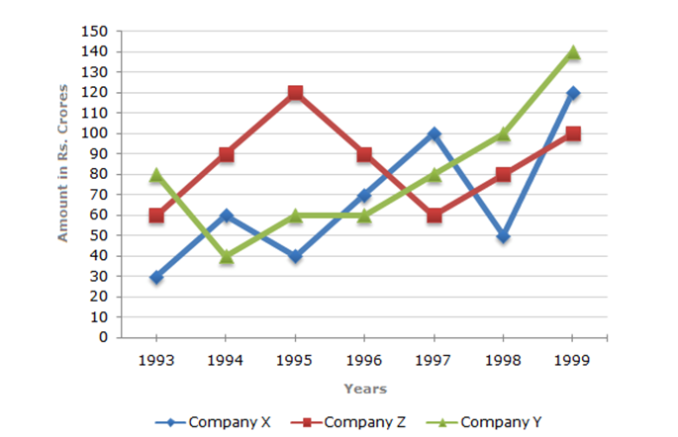 | D
17 | In how many of the given years, were the exports from Company Z more than the average annual exports over the given years? | 2 | 3 | 4 | 5 |  | C
18 | What was the difference between the average exports of the three Companies in 1993 and the average exports in 1998? | Rs. 15.33 crores | Rs. 18.67 crores | Rs. 20 crores | Rs. 22.17 crores |  | C
19 | In which year was the difference between the exports from Companies X and Y the minimum? | 1994 | 1995 | 1996 | 1997 |  | C
20 | For which of the following pairs of years the total exports from the three Companies together are equal? | 1995 and 1998 | 1996 and 1998 | 1997 and 1998 | 1995 and 1996 |  | D

CLERICAL ABILITY
 | CLERICAL ABILITY

 | Direction: Look at Group 1 and identify the corresponding letters on the right that donot match the information in Group 1
 | Time: 15 Min
Question No |  | Option 1 | Option 2 | Option 3 | Option 4 | Answers
1 |  |  |  |  |  | A
2 | 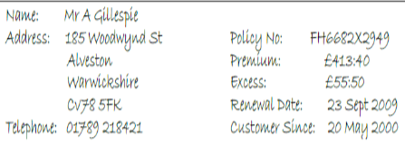 |  |  |  |  | A
3 | 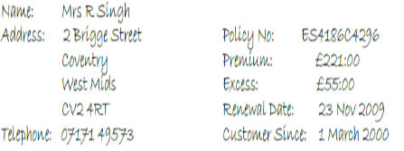 |  |  |  |  | C
4 | 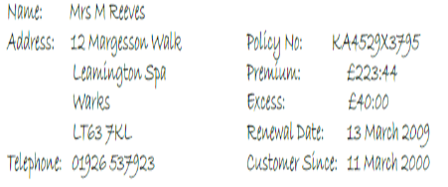 |  |  |  |  | B
5 | 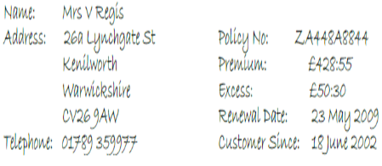 |  |  |  |  | C
6 | 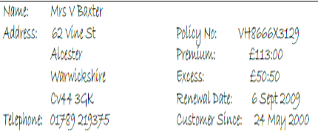 |  |  |  |  | A
7 | 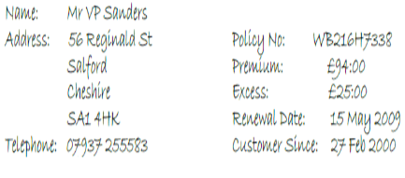 |  |  |  |  | A
8 | 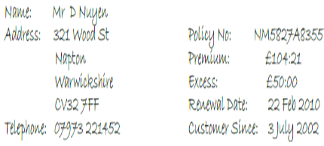 |  |  |  |  | A
9 | 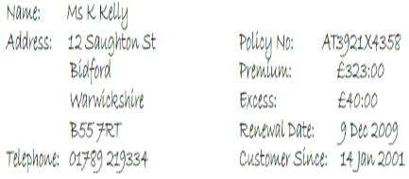 |  |  |  |  | C
10 | 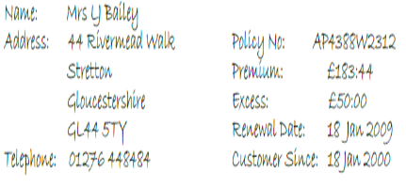 |  |  |  |  | C
11 | 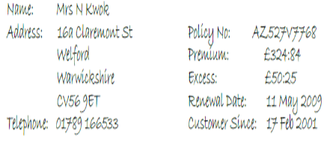 |  |  |  |  | A
12 | 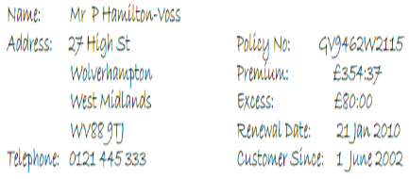 |  |  |  |  | B
 | In Questions 13-20, 2 out of 4 choices are identical . Write the answer which are identical . Example : AB , AD
13 |  |  |  |  |  | AC
14 |  |  |  |  |  | CD
15 |  |  |  |  |  | AD
16 |  |  |  |  |  | BD
17 |  |  |  |  |  | BD
18 |  |  |  |  |  | BC
19 |  |  |  |  |  | CD
20 |  |  |  |  |  | AD

